Sheet10
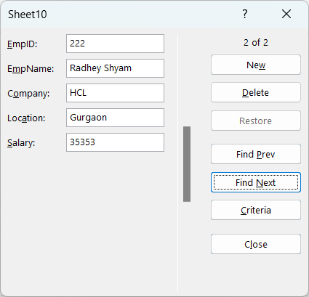
EmpID | EmpName | Company | Location | Salary
111 | Jitesh Kumar | TCS | Noida | 43434
222 | Radhey Shyam | HCL | Gurgaon | 35353

 |  | Alt+D+O

